1. Title Page
Instacart Grocery Basket Analysis

Project Name: Instacart Grocery Basket Analysis
Date: 07/09/2023
Analyst Name: Nikolina Steković

Contents:
Population Flow
Consistency checks
Wrangling steps
Column derivations
Visualizations
Recommendations

Data citation:
"The Instacart Online Grocery Shopping Dataset 2017", accessed from www.instacart.com/datasets/grocery-shopping-2017 via Kaggle. The customer data as well as the “prices” column in the products data set, were both fabricated for the purpose of this course.

2. Population Flow
Title page

Population flow

Exclusion flag
Condition: max_order < 5
Obervations to be removed: 1440295 (30964564 rows after exclusion)
Final total count of order_products_all: 32404859

Orders_products_combined
Orders_products_merged
Orders_products_all

Total: 32404859 rows
Total: 32434489 rows
Total: 32404859

3. Consistency checks
 |  |  |  | Title page
Consistency checks

Dataset | Missing values | Missing values treatment | Duplicates
orders | 206209 rows of missing values in days_since_prior_order | New boolean column added , "new_customer", which is True if NaN and False if not . No changes incolumn days_since_prior_order. | No duplicates
products | 16 rows of missing values in product_name | deleted since there is no way of getting the product names | 5 found nd removed
customers | 11259 rows of missing values in first_name column | No tretment, the column wasn't used. | No duplicates

4. Wrangling steps
 |  |  |  | Title page
Wrangling steps

Columns dropped | Columns renamed | Columns' type changed | Comment/Reason
eval_set |  |  | removed
 |  | user_id | changed to string to make consistent for merge
 | order_dow |  | changed to 'order_day_of_week'
 | First Name |  | changed to 'first_name'
 | Surnam |  | changed to 'last_name'
 | Gender |  | changed to 'gender'
 | STATE |  | changed to 'state'
 | Age |  | changed to 'age'
 | orders_day_of_week |  | changed to 'day_of_order'
 | fam_status |  | changed to 'marital_status'
first_name |  |  | PII data removed
last_name |  |  | PII date removed

5. Column derivations
 |  |  |  |  | Title page

Column derivations and aggregations

Dataset | New column | Column/s it was derived from | Conditions
orders_products_merged | price_range_loc | prices | Low range product: prices <=5 Mid range product: prices >5 & <= 15 High range product: prices > 15
orders_products_merged | busiest_day | orders_day_of_the_week | Busiset day: order_day_of_week = 0 Least busy: order_day_of_week = 4 Regularly busy: all else
orders_products_merged | busiest_day | orders_day_of_the_week | Busiest Days: order_day_of_week = 0 or 1 Slowest days: order_day_of_week = 4 or 3 Regularly busy: all else
orders_products_merged | busiest_period_of_day | order_hour_of_day | Most orders: value in 10, 11, 14, 15, 13, 12, 16, 9 Fewest orders: value in 23, 6, 0, 1, 5, 2, 4, 3 Average orders: all else
orders_products_merged | max_order | user_id, order_number | Max number of orders for each user_id
orders_products_merged | loyalty_flag | max_order | Loyal customer: max_order > 40 Regular Customer: max_order <= 40 & >10 New Customer: max_order <= 10
orders_products_merged | price_mean | user_id, prices | Mean prices for each user_id
orders_products_merged | spending_flag | avg_price | Low spender: avg price < 10 High spender: avg price >= 10
orders_products_merged | median_days | user_id, days_since_prior_order | Median number of orders
orders_products_merged | frequency_flag | median_days_since_prior_order | Non-frequent customer: median_days_since_prior_order >20 Regular customer: median_days_since_prior_order <= 20 & >10 Frequent customer: median_days_since_prior_order <=10
instacard_basket_merged | region | states | Northeast: ['Maine', 'New Hampshire', 'Vermont', 'Massachusetts', 'Rhode Island', 'Connecticut', 'New York', 'Pennsylvania', 'New Jersey'] Midwest: ['Wisconsin', 'Michigan', 'Illinois', 'Indiana', 'Ohio', 'North Dakota', 'South Dakota', 'Nebraska', 'Kansas', 'Minnesota', 'Iowa', 'Missouri'] South: ['Delaware', 'Maryland', 'District of Columbia', 'Virginia', 'West Virginia', 'North Carolina', 'South Carolina', 'Georgia', 'Florida', 'Kentucky', 'Tennessee', 'Mississippi', 'Alabama', 'Oklahoma', 'Texas', 'Arkansas', 'Louisiana'] Wes: ['Idaho', 'Montana', 'Wyoming', 'Nevada', 'Utah', 'Colorado', 'Arizona', 'New Mexico', 'Alaska', 'Washington', 'Oregon', 'California', 'Hawaii']
cust_ords_prods | customer_activity | max_order | High_activity_customers: >= 5 Low_activity_customers: < 5
instacard_basket_high | age_group | age | Young adult (18-25 age), Adult (26-44 age), Middle-age (45-59 age), Old age (60 age and older)
instacard_basket_high | income_class | income | Lower Income: <= 38133 Middle Income: > 38133 and <114400 Upper Income: > 114400
instacard_basket_high | department_group | department | Food = ['produce', 'dairy eggs', 'snacks', 'beverages', 'frozen', 'pantry', 'bakery', 'canned goods', 'deli','dry goods pasta', 'meat seafood', 'breakfast']; Household_and_Personal = ['household', 'personal care', 'babies', 'pets']; Other = ['missing', 'other', 'bulk', 'international', 'alcohol']
 | household_size | n_dependants | One-person houshold, Small Houshold (Up to 3 members) and Big Household (4 members and more)
 | customer profile |  | Single w/o Children (female), Single w/o Children (male), Single w/ Children (female), Single w/ Children (male), 2+ Person Non-Family, Maried Couple w/ Children, Marrie Couple w/o children, Other Family | Cus

6. Visualizations
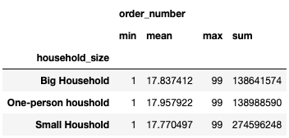
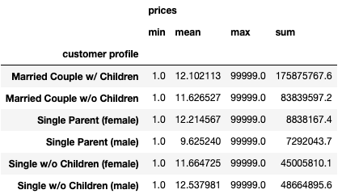
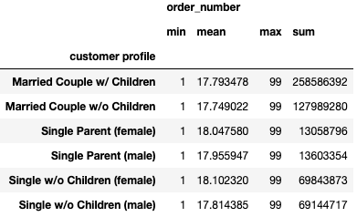
Title page

Visualisations

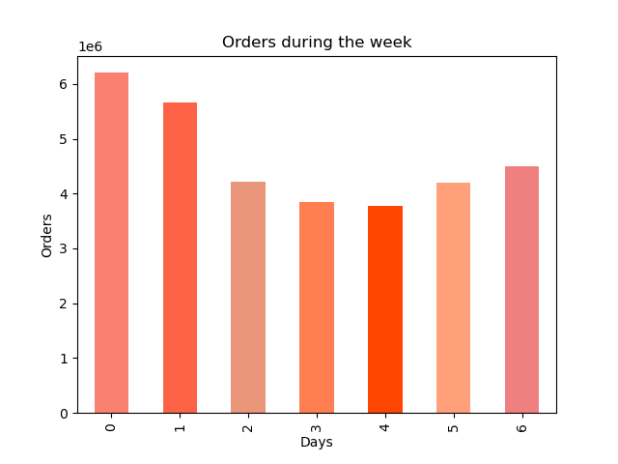
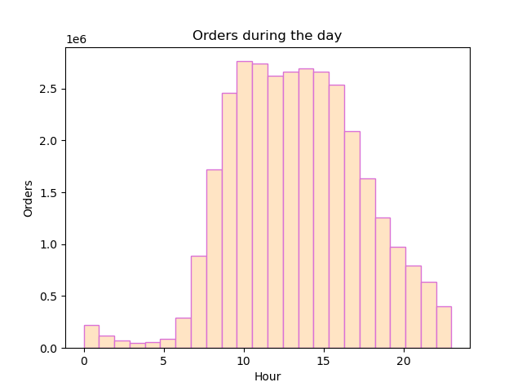

 | The sales team needs to know what the busiest days of the week and hours of the day are (i.e., the days and times with the most orders) in order to schedule ads at times when there are fewer orders.

 | Peak hours of the day are from 9 to 14 h. Late night and early morning hours from 1 to 6 are slowest.

 | Peak days of the week are Saturday and Sunday.

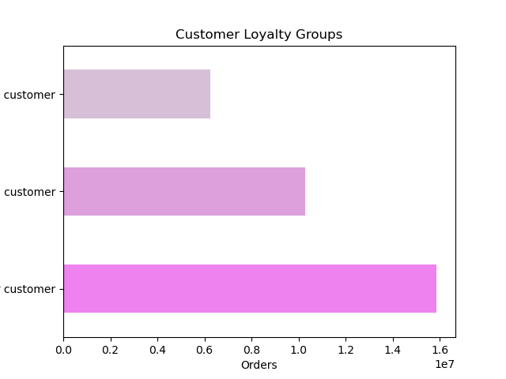

New Customer
 | The marketing team is curious about the distribution of orders among customers in terms of loyalty.

 | Regular Customers are the biggest group of overall customer count.

Loyal Customer

Regular Customer

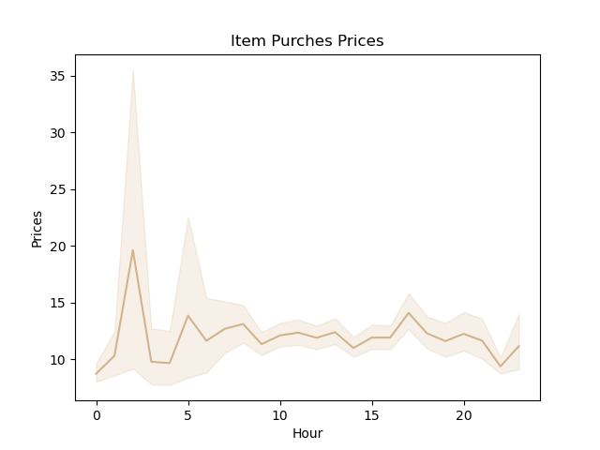

 | Check whether there’s a difference in expenditure (the “prices” column) depending on the hour of the day.

 | From this line chart, it appears that the most money is spent between 3am - 4am

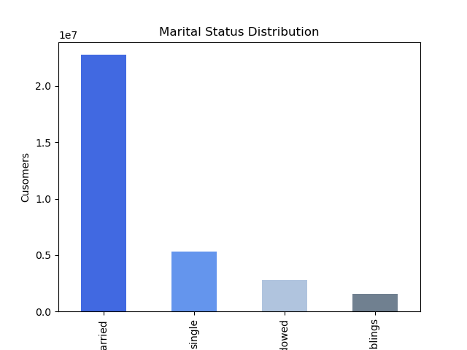
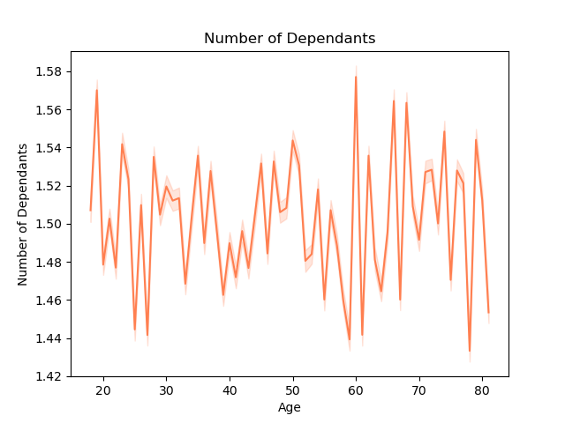

 | Determine whether there’s a connection between age and family situation by creating a line chart exploring the connections between age and number of dependents

 | There doesn't seem to be any connection between age and number of dependandts. Most of the users are married.

Married
Single
divorced / widowed
living with parents and siblings

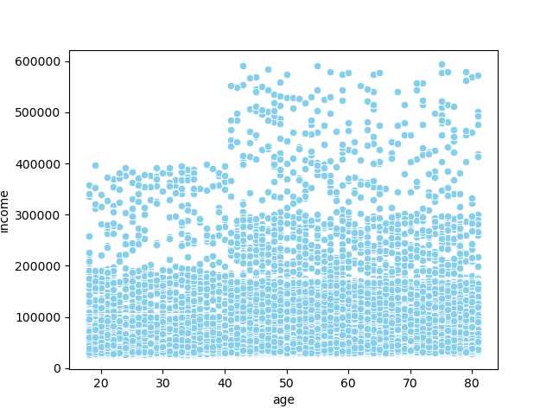

 | You’ll also need to explore whether there’s a connection between age and spending power (income).

 | There is higher number of user with income over 300000 who are older than 40 years old. In the age group under 40 years old there are no users whose income is over 400000.

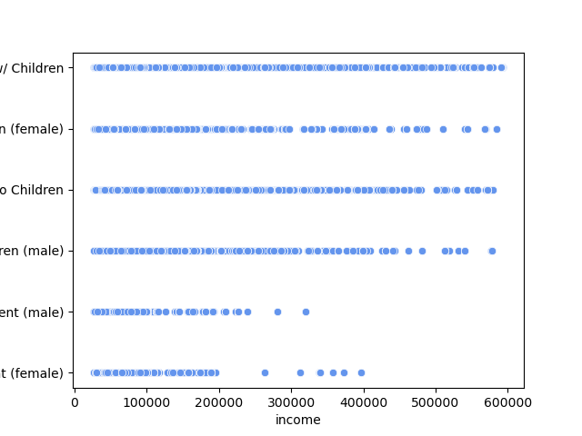
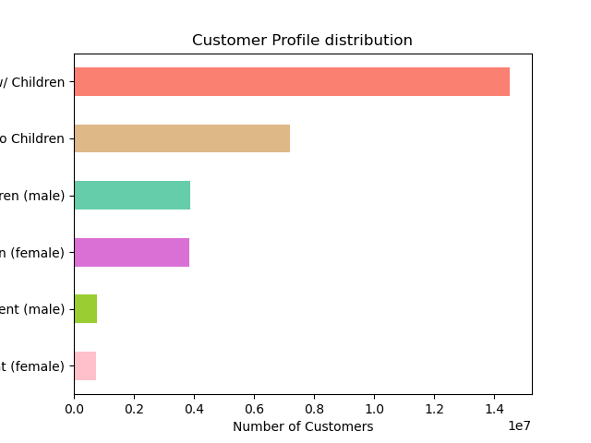

 | Profile Distribution Visualisation
Maried Couple w/ Children
Marrie Couple w/o children
Single w/o Children (male)
Single w/o Children (female)
Single Parent (male)
Single Parent (female)
 | Merried couples fall into a group that makles the biggest number of customers. It is also the group with highest income. Single parents make the smallest group of customers, and also the one with lowest income.

 | Descriptive Analyse of Customer Profiles

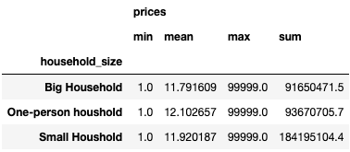

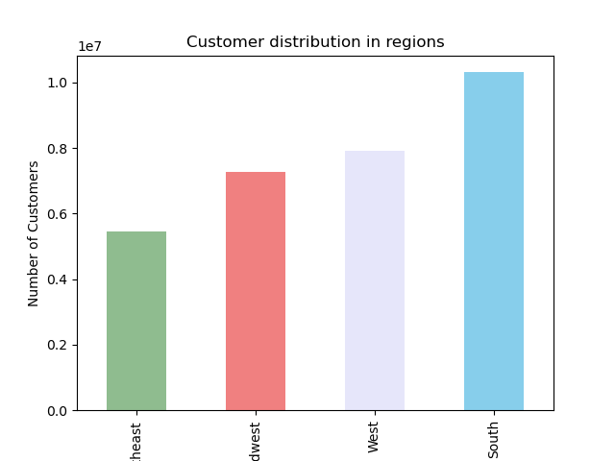
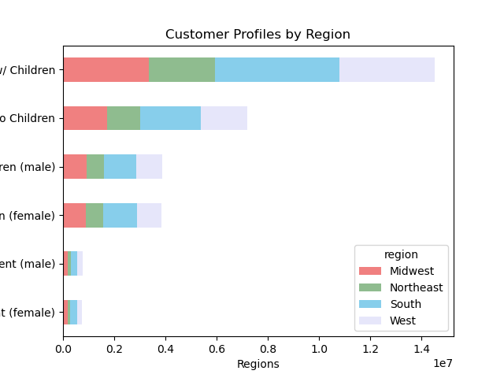

Maried Couple w/ Children
Marrie Couple w/o children
Single w/o Children (male)
Single w/o Children (female)
Single Parent (male)
Single Parent (female)
 | Regions and Department Analysis

 | The region with the highest frequency of orders is the South and the region with the lowest frequency of orders is the Northeast. Dividing customer profiles across the regions has the same rati in all 4. In all 4 regions, One-peron household make for the least orders, while Bih household for the most.

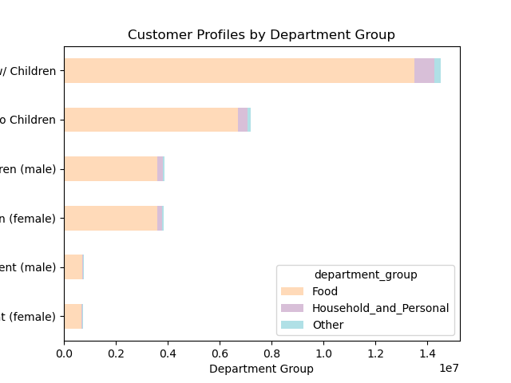
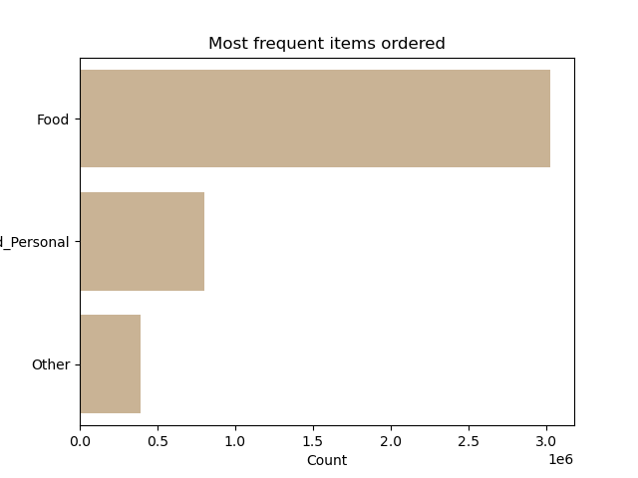
 | Department

Maried Couple w/ Children
Marrie Couple w/o children
Single w/o Children (male)
Single w/o Children (female)
Single Parent (male)
Single Parent (female)
 | For simplicity of the overview, the departments were grouped in bigger entities. We can see that the group 'Food' is in higest demand, and group 'Other' in lowest.

7. Recommendations
 |  | Title page

Recommendations

Question | Answer

The sales team needs to know what the busiest days of the week and hours of the day are (i.e., the days and times with the most orders) in order to schedule ads at times when there are fewer orders.

Peak hours of the day are from 9 to 14 h. Late night and early morning hours from 1 to 6 are slowest. | To boost the orders in the slowest hours I would recommend special discounts or coupons for ony evening hours, 20-24h for example.
Peak days of the week are Saturday and Sunday. | To boost the orders during the week days additional marketing could be a a good way to promote.

The marketing team is curious about the distribution of orders among customers in terms of loyalty.
Regular Customers are the biggest group of overall customer count. | Cerain incentive could be created to atract new customers. To retan the old ones, loyalty programs with points or similar could be effitient.

Check whether there’s a difference in expenditure (the “prices” column) depending on the hour of the day.
From this line chart, it appears that the most money is spent between 3am - 4am, when order prices are higher. | It would be interesting to create deeper analysis in the prodacts that are selling th emost in early hours, and the ones that are selling least during the day. Then these products specificly could be piushe in the other times of the day

Determine whether there’s a connection between age and family situation by creating a line chart exploring the connections between age and number of dependents

There doesn't seem to be any connection between age and number of dependandts. Most of the users are married. | No actions needed here.

You’ll also need to explore whether there’s a connection between age and spending power (income). | Creating target marketing for groups over 40 years old since they have th highesy income and therfore, the spending abilites. Secondary, retaing the customers under 40 and keep them as loyal clients as they will eventually come into the groups over 400000.

There is higher number of user with income over 300000 who are older than 40 years old. In the age group under 40 years old there are no users whose income is over 400000.

Profile Distribution Visualisation | Directing marketing efforts towards married customerswith and without children would be an optimal way to target a large majority of Instacart's customers.

Merried couples fall into a group that makles the biggest number of customers. It is also the group with highest income. Single parents make the smallest group of customers, and also the one with lowest income. | Having additional marketing efforts that target single people allow Instacart to reach a majority of customers.

Regions and Department Analysis

The region with the highest frequency of orders is the South and the region with the lowest frequency of orders is the Northeast. Dividing customer profiles across the regions has the same rati in all 4. In all 4 regions, One-peron household make for the least orders, while Bih household for the most. | Boosting advertising in the northeast region to increase sales and increase the market share there. As the product preference is the same across all regions, the emphasis for the ads would remain on the same top 5 products.

